TANK DATA
 |  | TANK DESCRIPTION

PURCHASER / CLIENT |  |  | ATTACHMENTS AND EXTRAS
EQUIPMENT NO./NAME |  |  | ITEM
LOCATION: |  |  | HANDRAIL
QUANTITY |  |  | LADDER
 |  |  | PLATFORM
DESIGN DATA |  |  | JACKET
ITEM |  |  | INTERNAL COIL
DESIGN CODE |  |  | OTHER
HEADS
SHELL WIDTH |  |  | MATERIAL OF CONSTRUCTION
TANK DIAMETER (OD / ID) |  |  | COMPONENT | MATERIAL
SUPPORT TYPE |  |  | SHELL
DESIGN PRESSURE (PSI) |  |  | HEADS
DESIGN TEMPERATURE
SPECIFIC GRAVITY |  |  | ADDITIONAL REQUIREMENT
CORROSION ALLOWANCE
SEISMIC LOADING | Ss
S1
WIND LOADING

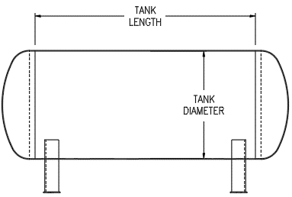

SAMPLE

NOZZLE SCHEDULE
MARK | SERVICE | SIZE |  | TYPE | CLASS

